Photo DMN Details
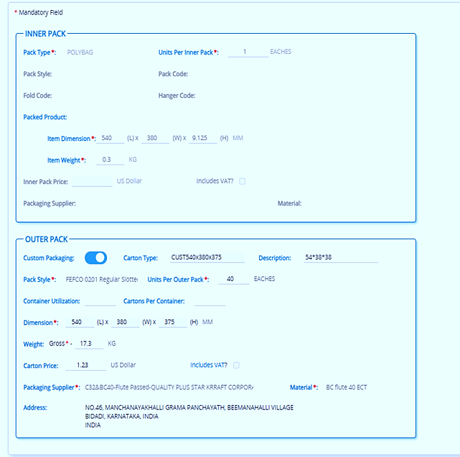
INR 103.00 |  | $1.20 |  |  |  | Style NO :- |  | 712929278 |  |  |  | INR 103.00 |  | $1.20 |  |  |  | Style NO :- |  | 712917324
Item Weight - Stand Pack |  |  |  |  |  |  |  |  |  |  |  | Item Weight - Stand Pack
Size | 14.5 | 15 | 15.5 | 16 | 16.5 | 17 | 17.5 | 18 | 18.5 |  |  | Size | 14.5 | 15 | 15.5 | 16 | 16.5 | 17 | 17.5 | 18 | 18.5
S-pcs | 0.252 | 0.264 | 0.275 | 0.275 | 0.288 | 0.303 | 0.306 | 0.314 | 0.32 |  |  | S-pcs | 0.3 | 0.3 | 0.32 | 0.33 | 0.34 | 0.35 | 0.36 | 0.37 | 0.38
Empty box | 1.34 | 1.34 | 1.34 | 1.34 | 1.34 | 1.34 | 1.34 | 1.34 | 1.34 |  |  | Empty box | 1.34 | 1.34 | 1.34 | 1.34 | 1.34 | 1.34 | 1.34 | 1.34 | 1.34
No of Pcs | 20 | 20 | 20 | 20 | 20 | 20 | 20 | 20 | 20 |  |  | No of Pcs | 20 | 20 | 20 | 20 | 20 | 20 | 20 | 20 | 20
Full box Weight | 6.38 | 6.62 | 6.84 | 6.84 | 7.10 | 7.40 | 7.46 | 7.62 | 7.74 |  |  | Full box Weight | 7.34 | 7.34 | 7.74 | 7.94 | 8.14 | 8.34 | 8.54 | 8.74 | 8.94
 |  |  |  |  |  |  |  | TLO – Hong Kong time is 2 hours and 30 minutes ahead of Indian time.
 |  |  |  |  |  |  |  | India | 14:50:57
 |  |  |  |  |  |  |  | Hong Kong | 17:20:57 |  |  | Standard Height |  | 375/325/260mm |  |  |  |  | Stand Pack
 |  |  |  |  |  |  |  |  |  |  |  |  |  |  |  |  |  |  | DMN | 480 | 380 | 325
INR 103.00 |  | $1.20 |  |  |  | Style NO :- |  | 712966314 |  |  |  |  |  |  |  |  |  |  | Inner carton | Hight | CM | Millimeter
Item Weight - Stand Pack |  |  |  |  |  |  |  |  |  |  |  |  |  |  |  |  |  |  | FULL HIGHT | 32.5 | 32.5 | 325
Size | 14/ 23 | 15 23 | 15 45 | 15/ 23 | 15/ 45 | 16 23 | 16 45 | 16/ 23 | 16/ 45 | 17 23 | 17 45 | 17 67 | 17/ 23 | 17/ 45 | 17/ 67 | 18 45 | 18 67 |  | (-)HIGHT | 1 | 1 | 10
No of Pcs | 31 | 20 | 20 | 20 | 20 | 20 | 20 | 20 | 20 | 20 | 20 | 20 | 20 | 20 | 20 | 20 | 20 |  | 1 pcs hight | #REF! | #REF! | #REF!
Full box Weight | #REF! | #REF! | #REF! | #REF! | #REF! | #REF! | #REF! | #REF! | #REF! | #REF! | #REF! | #REF! | #REF! | #REF! | #REF! | #REF! | #REF!

Item Weight - Stand Pack |  |  |  |  |  |  |  | Item Weight - Flat Pack |  |  |  |  |  |  |  |  |  |  | Falt Pack
S-pcs | 0.255 | 0.274 | 0.288 | 0.304 | 0.321 | 0.341 |  | S-pcs | 0.310 | 0.350 | 0.360 | 0.390 | 0.420 | 0.450 |  |  |  |  | DMN | 540 | 380 | 375
Empty box | 1.34 | 1.34 | 1.34 | 1.34 | 1.34 | 1.34 |  | Empty box | 1.56 | 1.56 | 1.56 | 1.56 | 1.56 | 1.56 |  |  |  |  | Inner carton | Hight | CM | Millimeter
Full box Weight | #REF! | #REF! | #REF! | #REF! | #REF! | #REF! |  | Full box Weight | #REF! | #REF! | #REF! | #REF! | #REF! | #REF! |  |  |  |  | FULL HIGHT | 37.5 | 37.5 | 375
 |  |  |  |  |  |  |  |  |  |  |  |  |  |  |  |  |  |  | (-)HIGHT | 1 | 1 | 10
 |  |  |  |  |  |  |  |  |  |  |  |  |  |  |  |  |  |  | FULL PICS | 36.5 | 36.5 | 365
INR 103.00 |  | $1.20 | Style NO :- |  | 710B22363 |  |  | INR 103.00 |  | $1.20 | Style NO :- |  | 710953355 |  |  |  |  |  | 1 pcs hight | 0.66363636364 | 0.66 | 6.64
Item Weight - Stand Pack Tag Price Missmatch Pcs are Hold |  |  |  |  |  |  |  | Item Weight - Flat Pack
Size | XS | S | M | L | XL | XXL |  | Size | XS | S | M | L | XL | XXL |  |  |  |  | New Updated | PCS | Flat / Ratio Pack | Weight
S-pcs |  | 0.277 | 0.295 | 0.312 | 0.330 | 0.344 |  | S-pcs |  |  |  |  |  |  |  |  |  |  |  | 40 | 54*38*37.5 | 1.56
Empty box | 1.56 | 1.56 | 1.56 | 1.56 | 1.56 | 1.56 |  | Empty box | 1.56 | 1.56 | 1.56 | 1.56 | 1.56 | 1.56 |  |  |  |  |  | 30 | 54*38*32.5 | 1.4
No of Pcs |  | 18 | 18 | 18 | 18 | 18 |  | No of Pcs | 30 | 30 | 30 | 30 | 27 | 27 |  |  |  |  |  | 22 | 54*38*26 | 1.29
Full box Weight | 1.56 | 6.55 | 6.87 | 7.18 | 7.50 | 7.75 |  | Full box Weight | 1.56 | 1.56 | 1.56 | 1.56 | 1.56 | 1.56
 |  |  |  |  |  |  |  |  |  |  |  |  |  |  |  |  |  |  |  | PCS | Stand Pack | Weight
 |  |  |  |  |  |  |  |  |  |  |  |  |  |  |  |  |  |  |  | 20 | 48*38*32 | 1.34
 |  |  |  |  |  |  |  |  |  |  |  |  |  |  |  |  |  |  |  | 12 | 48*38*26 | 1.20
INR 103.00 |  | $1.16 |  |  |  | Style NO :- |  | 711548535 |  |  |  |  |  |  |  |  |  |  |  | 8 | 48*38*13 | 0.98
Item Weight - Stand Pack
Size | LT | XLT | 2LT | 3LT | 4LT | 5LT | 1XB | 2XB | 3XB | 4XB | 5XB |  |  |  |  |  |  |  | New Updated | PCS | Ratio Pack | Weight
S-pcs | 0.427 | 0.467 | 0.47 | 0.681 | 0.564 | 0.564 | 0.564 | 0.476 | 0.649 | 0.681 | 0.712 |  |  |  |  |  |  |  |  | 8 | 48*38*17 | 1.07
Empty box | 1.55 | 1.55 | 1.55 | 1.55 | 1.55 |  |  | 1.55 | 1.55 | 1.55 | 1.55 |  |  |  |  |  |  |  |  | 6 | 48*38*14 | 1.0
 |  |  |  |  |  |  |  |  |  |  |  |  |  |  |  |  |  |  |  | 12 | 48*38*25 | 1.2
 |  |  |  |  |  |  |  |  |  |  |  |  |  |  |  |  |  |  |  | 22 | 48*38*44 | 1.45

INR 103.00 |  | $1.20 | Style NO :- |  | 710966421 |  |  | INR 103.00 |  | $1.60 | Style NO :-
No of Pcs | 60 | 60 | 60 | 60 | 55 | 55 |  | No of Pcs | 16 | 16 | 16 | 16 | 14 | 14 | #REF!

INR 103.00 |  | $1.17 | Style NO :- |  | 710733596 |  |  | INR 103.00 |  | $1.20 |  |  |  | Style NO :-
Size | XS | S | M | L | XL | XXL |  | Size | 14.5 | 15 | 15.5 | 16 | 16.5 | 17 | 17.5 | 18 | 18.5
S-pcs | 0.317 | 0.336 | 0.365 | 0.386 | 0.404 | 0.431 |  | S-pcs | 0.275 | 0.287 | 0.299 | 0.307 | 0.32 | 0.333 | 0.339 | 0.352 | 0.365
Empty box | 1.56 | 1.56 | 1.56 | 1.56 | 1.56 | 1.56 |  | Empty box | 1.34 | 1.34 | 1.34 | 1.34 | 1.34 | 1.34 | 1.34 | 1.34 | 1.34
No of Pcs | 36 | 36 | 36 | 36 | 33 | 33 |  | No of Pcs | 18 | 18 | 18 | 18 | 18 | 18 | 16 | 16 | 16
S-pcs | 0.275 | 0.287 | 0.299 | 0.307 | 0.320 | 0.333 | 0.339 | 0.352 | 0.365 |  | S-pcs | 0.257 | 0.263 | 0.276 | 0.286 | 0.294 | 0.301 | 0.311 | 0.322
No of Pcs | 18 | 18 | 18 | 18 | 18 | 16 | 16 | 16 | 16 |  | No of Pcs |  |  |  |  |  |  |  |  | 0.328
Full box Weight | #REF! | #REF! | #REF! | #REF! | #REF! | #REF! | #REF! | #REF! | #REF! |  | Full box Weight | #REF! | #REF! | #REF! | #REF! | #REF! | #REF! | #REF! | #REF!
 |  |  |  |  |  |  |  |  |  |  |  |  |  |  |  |  |  |  |  | #REF!

Size | XS | S | M | L | XL | XXL

INR 103.00 |  | $1.20 |  |  |  | Style NO :- |  | 710B18632
Item Weight - Stand Pack
Size | XS | S | M | L | XL | XXL
S-pcs | 0.263 | 0.278 | 0.294 | 0.312 | 0.325 | 0.353
No of Pcs | 18 | 18 | 18 | 18 | 16 | 16
Full box Weight | #REF! | #REF! | #REF! | #REF! | #REF! | #REF!

INR 103.00 |  | $1.20 |  |  |  | Style NO :- |  | 712925893 |  |  | Stand Pack
Size | 14.5 | 15 | 15.5 | 16 | 16.5 | 17 | 17.5 | 18 | 18.5 |  | Inner carton | Hight | CM | Millimeter
S-pcs | 0.257 | 0.267 | 0.274 | 0.282 | 0.294 | 0.304 | 0.313 | 0.326 | 0.333 |  | FULL HIGHT | 32.5 | 32.5 | 325
Empty box | 1.28 | 1.28 | 1.28 | 1.28 | 1.28 | 1.28 | 1.28 | 1.28 | 1.28 |  | (-)HIGHT | 1 | 1 | 10
No of Pcs | 18 | 18 | 18 | 18 | 18 | 18 | 18 | 18 | 18 |  | FULL PICS | 31.5 | 31.5 | 315
Full box Weight | 5.91 | 6.09 | 6.21 | 6.36 | 6.57 | 6.75 | 6.91 | 7.15 | 7.27 |  | 1 pcs hight | 1.75 | 1.75 | 17.50

INR 103.00 |  | $1.20 |  |  |  | Style NO :- |  | 710B18627
Item Weight - Stand Pack |  |  |  |  |  |  |  |  |  |  | Stand Pack
Size | XS | S | M | L | XL | XXL |  |  |  |  | DMN | 480 | 380 | 325
S-pcs | 0.272 | 0.281 | 0.294 | 0.315 | 0.331 | 0.351 |  |  |  |  | Inner carton | Hight | CM | Millimeter
Empty box | 1.28 | 1.28 | 1.28 | 1.28 | 1.28 | 1.28 |  |  |  |  | FULL HIGHT | 32.5 | 32.5 | 325 |  |  | PRL18 PCS | 48*38*32 | 48 | 38 | 32 | CM | 18 | KG
No of Pcs | 18 | 18 | 18 | 18 | 16 | 16 |  |  |  |  | (-)HIGHT | 1 | 1 | 10
Full box Weight | 6.18 | 6.34 | 6.57 | 6.95 | 6.58 | 6.90 |  |  |  |  | FULL PICS | 31.5 | 31.5 | 315
 |  |  |  |  |  |  |  |  |  |  | 1 pcs hight | 1.96875 | 1.97 | 19.69

INR 103.00 |  | $1.20 |  |  |  | Style NO :- |  | 710B29367
Item Weight - Stand Pack |  |  |  |  |  |  |  |  |  |  | Stand Pack
Size | XS | S | M | L | XL | XXL |  |  |  |  | DMN | 480 | 380 | 325
S-pcs |  | 0.336 | 0.352 | 0.378 | 0.398 | 0.422 |  |  |  |  | Inner carton | Hight | CM | Millimeter
Empty box |  | 1.28 | 1.28 | 1.28 | 1.28 | 1.28 |  |  |  |  | FULL HIGHT | 32.5 | 32.5 | 325
No of Pcs |  | 18 | 18 | 18 | 16 | 16 |  |  |  |  | (-)HIGHT | 1 | 1 | 10
Full box Weight | 0.00 | 7.33 | 7.62 | 8.08 | 7.65 | 8.03 |  |  |  |  | FULL PICS | 31.5 | 31.5 | 315
 |  |  |  |  |  |  |  |  |  |  | 1 pcs hight | 1.96875 | 1.97 | 19.69

 |  |  |  |  |  |  |  |  |  |  | 17.5 | 19.69
INR 103.00 |  | $1.20 |  |  |  | Style NO :- |  | 710B18131
Item Weight - Stand Pack |  |  |  |  |  |  |  |  |  |  | Stand Pack
Size | XS | S | M | L | XL | XXL |  |  |  |  | DMN | 480 | 380 | 325
S-pcs | 0.300 | 0.334 | 0.352 | 0.380 | 0.407 | 0.422 |  |  |  |  | Inner carton | Hight | CM | Millimeter
Empty box | 1.28 | 1.28 | 1.28 | 1.28 | 1.28 | 1.28 |  |  |  |  | FULL HIGHT | 32.5 | 32.5 | 325
No of Pcs | 18 | 18 | 18 | 18 | 16 | 16 |  |  |  |  | (-)HIGHT | 1 | 1 | 10
Full box Weight | 6.68 | 7.29 | 7.62 | 8.12 | 7.79 | 8.03 |  |  |  |  | FULL PICS | 31.5 | 31.5 | 315
 |  |  |  |  |  |  |  |  |  |  | 1 pcs hight | 1.96875 | 1.97 | 19.69

INR 103.00 |  | $1.20 |  |  |  | Style NO :-
Item Weight - Stand Pack |  |  |  |  |  |  |  |  |  |  | Stand Pack
Size | XS | S | M | L | XL | XXL |  |  |  |  | DMN | 480 | 380 | 325
S-pcs | 0.312 | 0.298 | 0.331 | 0.375 | 0.386 | 0.411 |  |  |  |  | Inner carton | Hight | CM | Millimeter
Empty box | 1.28 | 1.28 | 1.28 | 1.28 | 1.28 | 1.28 |  |  |  |  | FULL HIGHT | 32.5 | 32.5 | 325
No of Pcs | 18 | 18 | 18 | 18 | 16 | 16 |  |  |  |  | (-)HIGHT | 1 | 1 | 10
Full box Weight | 6.90 | 6.64 | 7.24 | 8.02 | 7.46 | 7.86 |  |  |  |  | FULL PICS | 31.5 | 31.5 | 315
 |  |  |  |  |  |  |  |  |  |  | 1 pcs hight | 1.96875 | 1.97 | 19.69

INR 103.00 |  | $1.20 |  |  |  | Style NO :- |  | 712936018
Item Weight - Stand Pack |  |  |  |  |  |  |  |  |  |  | Stand Pack
Size |  | 14/ | 15 | 16 | 17 |  |  |  |  |  | DMN | 480 | 380 | 325
S-pcs |  | 0.251 | 0.262 | 0.272 | 0.293 |  |  |  |  |  | Inner carton | Hight | CM | Millimeter
Empty box |  | 1.28 | 1.28 | 1.28 | 1.28 |  |  |  |  |  | FULL HIGHT | 32.5 | 32.5 | 325
No of Pcs |  | 20 | 20 | 20 | 8 |  |  |  |  |  | (-)HIGHT | 1 | 1 | 10
Full box Weight | 0.00 | 6.30 | 6.52 | 6.72 | 3.62 | 0.00 |  |  |  |  | FULL PICS | 31.5 | 31.5 | 315
 |  |  |  |  |  |  |  |  |  |  | 1 pcs hight | 1.575 | 1.58 | 15.75

INR 103.00 |  | $1.20 |  |  |  | Style NO :- |  | 710968971
Item Weight - Stand Pack |  |  |  |  |  |  |  |  |  |  | Stand Pack
Size | XS | S | M | L | XL | XXL |  |  |  |  | DMN | 480 | 380 | 325
S-pcs | 0.268 | 0.282 | 0.293 | 0.313 | 0.326 | 0.349 |  |  |  |  | Inner carton | Hight | CM | Millimeter
Empty box | 1.28 | 1.28 | 1.28 | 1.28 | 1.28 | 1.28 |  |  |  |  | FULL HIGHT | 32.5 | 32.5 | 325
No of Pcs | 18 | 18 | 18 | 18 | 16 | 16 |  |  |  |  | (-)HIGHT | 1 | 1 | 10
Full box Weight | 6.10 | 6.36 | 6.55 | 6.91 | 6.50 | 6.86 |  |  |  |  | FULL PICS | 31.5 | 31.5 | 315
 |  |  |  |  |  |  |  |  |  |  | 1 pcs hight | 1.96875 | 1.97 | 19.69

INR 103.00 |  | $1.20 |  |  |  | Style NO :- |  | 710968971
Item Weight - Stand Pack |  |  |  |  |  |  |  |  |  |  | Stand Pack
Size | XS | S | M | L | XL | XXL |  |  |  |  | DMN | 480 | 380 | 325
S-pcs |  |  |  |  |  |  |  |  |  |  | Inner carton | Hight | CM | Millimeter
Empty box | 1.28 | 1.28 | 1.28 | 1.28 | 1.28 | 1.28 |  |  |  |  | FULL HIGHT | 32.5 | 32.5 | 325
No of Pcs | 18 | 18 | 18 | 18 | 16 | 16 |  |  |  |  | (-)HIGHT | 1 | 1 | 10
Full box Weight | 1.28 | 1.28 | 1.28 | 1.28 | 1.28 | 1.28 |  |  |  |  | FULL PICS | 31.5 | 31.5 | 315
 |  |  |  |  |  |  |  |  |  |  | 1 pcs hight | 1.96875 | 1.97 | 19.69

INR 103.00 |  | $1.20 |  |  |  | Style NO :- |  | 712929278
Item Weight - Stand Pack |  |  |  |  |  |  |  |  |  |  | Stand Pack
Size | 14.5 | 15 | 15.5 | 16 | 16.5 | 17 | 17.5 | 18 | 18.5 |  | DMN | 480 | 380 | 325
S-pcs | 0.244 | 0.253 | 0.275 | 0.269 | 0.256 | 0.294 | 0.309 | 0.32 | 0.38 |  | Inner carton | Hight | CM | Millimeter
Empty box | 1.28 | 1.28 | 1.28 | 1.28 | 1.28 | 1.28 | 1.28 | 1.28 | 1.28 |  | FULL HIGHT | 32.5 | 32.5 | 325
No of Pcs | 20 | 20 | 20 | 20 | 20 | 20 | 20 | 20 | 20 |  | (-)HIGHT | 1 | 1 | 10
Full box Weight | 6.16 | 6.34 | 6.78 | 6.66 | 6.40 | 7.16 | 7.46 | 7.68 | 8.88 |  | FULL PICS | 31.5 | 31.5 | 315
 |  |  |  |  |  |  |  |  |  |  | 1 pcs hight | 1.575 | 1.58 | 15.75

INR 103.00 |  | $1.20 |  |  |  | Style NO :- |  | 710B24259
Item Weight - Stand Pack |  |  |  |  |  |  |  |  |  |  | Falt Pack
Size | XS | S | M | L | XL | XXL |  |  |  |  | DMN | 540 | 380 | 375
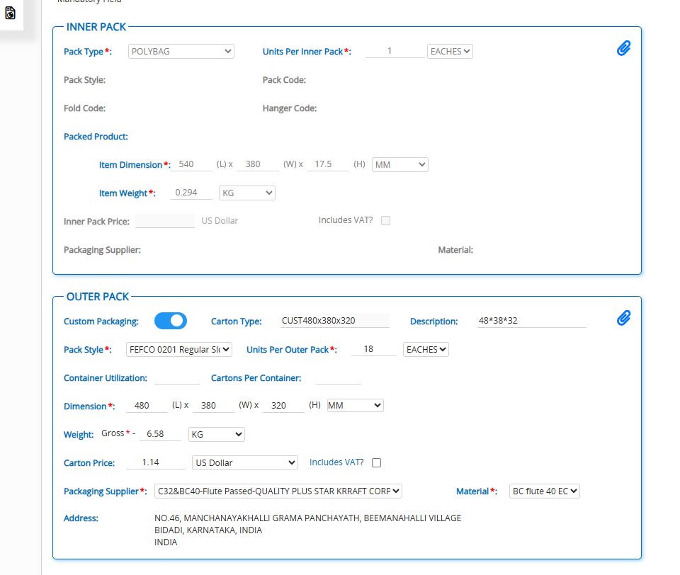
S-pcs | 0.290 | 0.302 | 0.321 | 0.398 | 0.422 | 0.450 |  |  |  |  | Inner carton | Hight | CM | Millimeter
Empty box | 1.28 | 1.28 | 1.28 | 1.28 | 1.28 | 1.28 |  |  |  |  | FULL HIGHT | 37.5 | 37.5 | 375
No of Pcs | 35 | 35 | 35 | 35 | 30 | 30 |  |  |  |  | (-)HIGHT | 1 | 1 | 10
Full box Weight | 11.43 | 11.85 | 12.51 | 15.21 | 13.94 | 14.78 |  |  |  |  | FULL PICS | 36.5 | 36.5 | 365
 |  |  |  |  |  |  |  |  |  |  | 1 pcs hight | 1.2166666667 | 1.22 | 12.17

INR 103.00 |  | $1.20 |  |  |  | Style NO :- |  | 710B29368
Item Weight - Stand Pack |  |  |  |  |  |  |  |  |  |  | Stand Pack
Size | XS | S | M | L | XL | XXL |  |  |  |  | DMN | 480 | 380 | 325
S-pcs |  | 0.338 | 0.354 | 0.378 | 0.404 | 0.428 |  |  |  |  | Inner carton | Hight | CM | Millimeter
Empty box | 1.28 | 1.28 | 1.28 | 1.28 | 1.28 | 1.28 |  |  |  |  | FULL HIGHT | 32.5 | 32.5 | 325
No of Pcs | 18 | 18 | 18 | 18 | 16 | 16 |  |  |  |  | (-)HIGHT | 1 | 1 | 10
Full box Weight | 1.28 | 7.36 | 7.65 | 8.08 | 7.74 | 8.13 |  |  |  |  | FULL PICS | 31.5 | 31.5 | 315
 |  |  |  |  |  |  |  |  |  |  | 1 pcs hight | 1.96875 | 1.97 | 19.69

 |  |  |  |  |  |  |  |  |  |  | DMN | 480 | 380 | 325
INR 103.00 |  | $1.20 |  |  |  | Style NO :- |  | 712B26869 |  |  | Inner carton | Hight | CM | Millimeter
Item Weight - Stand Pack |  |  |  |  |  |  |  |  |  |  | FULL HIGHT | 32.5 | 32.5 | 325
Size | 14.5 | 15 | 15.5 | 16 | 16.5 | 17 | 17.5 | 18 | 18.5 |  | (-)HIGHT | 1 | 1 | 10
S-pcs | 0.267 | 0.282 | 0.287 | 0.28 | 0.304 | 0.31 | 0.312 | 0.313 | 0.327 |  | FULL PICS | 31.5 | 31.5 | 315
Empty box | 1.28 | 1.28 | 1.28 | 1.28 | 1.28 | 1.28 | 1.28 | 1.28 | 1.28 |  | 1 pcs hight | 1.575 | 1.58 | 15.75
No of Pcs | 20 | 20 | 20 | 20 | 20 | 20 | 20 | 20 | 20
Full box Weight | 6.62 | 6.92 | 7.02 | 6.88 | 7.36 | 7.48 | 7.52 | 7.54 | 7.82

 |  |  |  |  |  |  |  |  |  |  | DMN | 480 | 380 | 325
INR 103.00 |  | $1.20 |  |  |  | Style NO :- |  | 712B26869 |  |  | Inner carton | Hight | CM | Millimeter
Item Weight - Stand Pack |  |  |  |  |  |  |  |  |  |  | FULL HIGHT | 32.5 | 32.5 | 325
Size | 14.5 | 15 | 15.5 | 16 | 16.5 | 17 | 17.5 | 18 | 18.5 |  | (-)HIGHT | 1 | 1 | 10
S-pcs | 0.267 | 0.282 | 0.287 | 0.2801 | 0.304 | 0.31 | 0.312 | 0.313 | 0.327 |  | FULL PICS | 31.5 | 31.5 | 315
Empty box | 1.28 | 1.28 | 1.28 | 1.28 | 1.28 | 1.28 | 1.28 | 1.28 | 1.28 |  | 1 pcs hight | 1.575 | 1.58 | 15.75
No of Pcs | 20 | 20 | 20 | 20 | 20 | 20 | 20 | 20 | 20
Full box Weight | 6.62 | 6.92 | 7.02 | 6.88 | 7.36 | 7.48 | 7.52 | 7.54 | 7.82

INR 103.00 |  | $1.20 |  |  |  | Style NO :- |  | 710B29368 |  |  | Falt Pack
Item Weight - Stand Pack |  |  |  |  |  |  |  |  |  |  | DMN | 540 | 380 | 375
Size | XS | S | M | L | XL | XXL |  |  |  |  | Inner carton | Hight | CM | Millimeter
S-pcs |  |  |  |  |  |  |  |  |  |  | FULL HIGHT | 37.5 | 37.5 | 375
Empty box | 1.28 | 1.28 | 1.28 | 1.28 | 1.28 | 1.28 |  |  |  |  | (-)HIGHT | 1 | 1 | 10
No of Pcs | 18 | 18 | 18 | 18 | 16 | 16 |  |  |  |  | FULL PICS | 36.5 | 36.5 | 365
Full box Weight | 1.28 | 1.28 | 1.28 | 1.28 | 1.28 | 1.28 |  |  |  |  | 1 pcs hight | 1.2166666667 | 1.22 | 12.17

